Sheet1
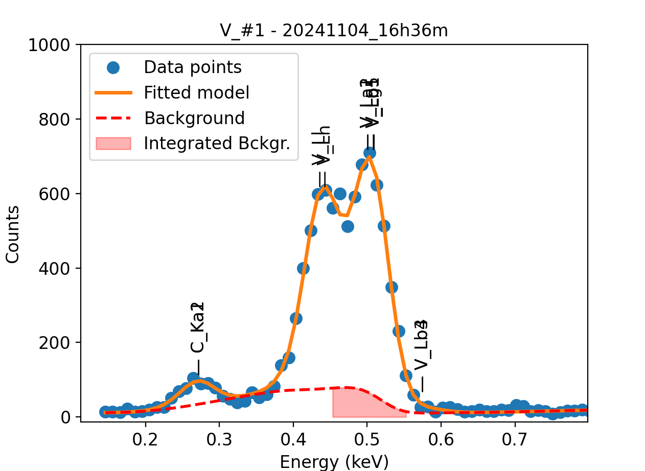
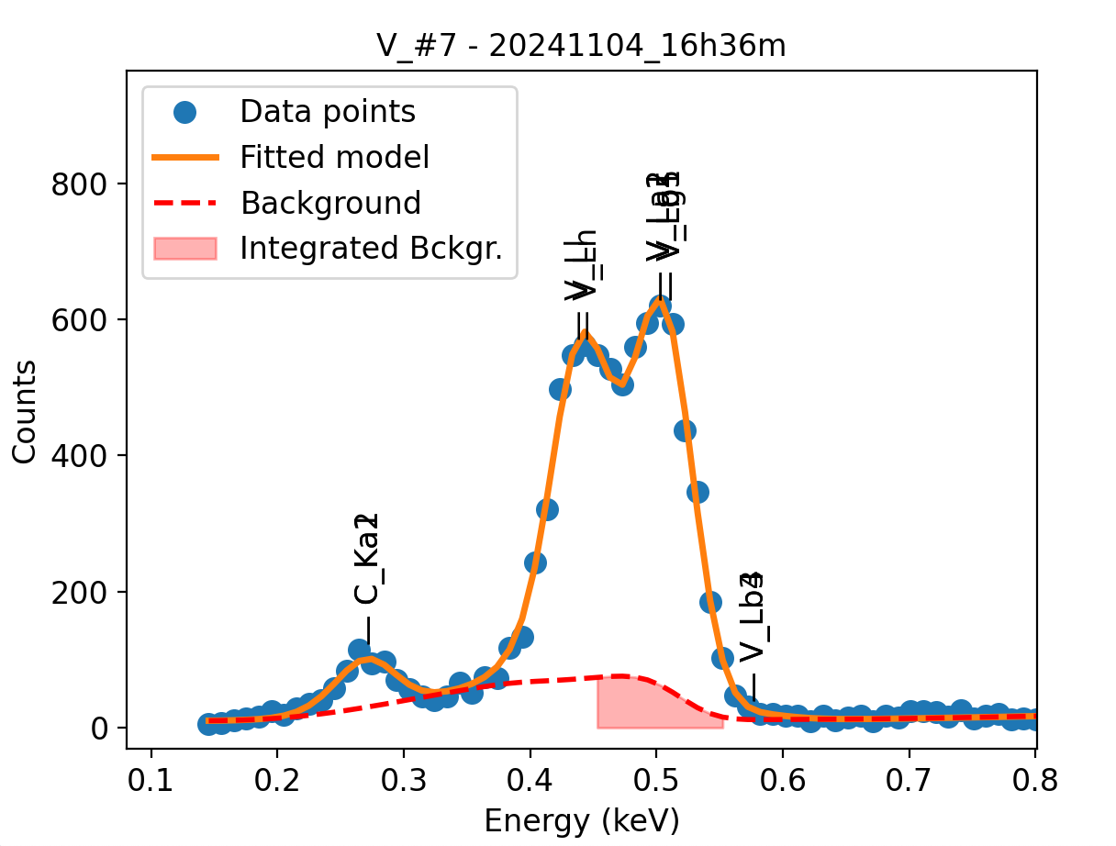
Weights calibrated measuring a pure V standard, bulk, polished
Area of all peaks is fitted
A constant shift is maintained across all peaks
Sigma is fixed for all peaks
Areas of peaks La2, Lb1 and Lg5 are weighted and fixed on original weights because strongly overlapping with La1

V |  | Meas 1 | Meas 2 | Meas 3 | Meas 4 | Meas 5 | Meas 6 | Meas 7 | Meas 8 | Meas 9 | Meas 10
La1 |  | 30.023 | 25.174 | 28.1 | 27.538 | 27.557 | 26.079 | 26.757 | 26.341 | 24.34 | 26.784
Ll |  | 26.942 | 18.324 | 19.663 | 23.155 | 23.172 | 23.115 | 21.462 | 24.103 | 19.378 | 17.654
Ln |  | 4.611 | 8.807 | 12.904 | 8.175 | 7.927 | 4.947 | 7.975 | 5.68 | 9.281 | 8.986
Lb3 |  | 0.461 | 0.001 | 0.47 | 0.005 | 1.289 | 0 | 0.504 | 0 | 0 | 0
Lb4 |  | 0.461 | 0.358 | 0.104 | 1.203 | 0.001 | 0.681 | 0.008 | 0.447 | 0.677 | 0.935

Line | Original w | Meas 1 | Meas 2 | Meas 3 | Meas 4 | Meas 5 | Meas 6 | Meas 7 | Meas 8 | Meas 9 | Meas 10 | Mean | Stdev | Er (%)
La1 | 1 | 1.0000 | 1.0000 | 1.0000 | 1.0000 | 1.0000 | 1.0000 | 1.0000 | 1.0000 | 1.0000 | 1.0000 | 1.0000
Ll | 0.556 | 0.8974 | 0.7279 | 0.6998 | 0.8408 | 0.8409 | 0.8863 | 0.8021 | 0.9150 | 0.7961 | 0.6591 | 0.8065 | 0.0870 | 10.79
Ln | 0.272 | 0.1536 | 0.3498 | 0.4592 | 0.2969 | 0.2877 | 0.1897 | 0.2981 | 0.2156 | 0.3813 | 0.3355 | 0.2967 | 0.0922 | 31.07
Ll + Ln | 0.828 | 1.0510 | 1.0777 | 1.1590 | 1.1377 | 1.1285 | 1.0760 | 1.1002 | 1.1307 | 1.1774 | 0.9946 | 1.1033 | 0.0549 | 4.98
Lb3 | 0.00654 | 0.0154 | 0.0000 | 0.0167 | 0.0002 | 0.0468 | 0.0000 | 0.0188 | 0.0000 | 0.0000 | 0.0000 | 0.0098 | 0.0153 | 155.99
Lb4 | 0.0173 | 0.0154 | 0.0142 | 0.0037 | 0.0437 | 0.0000 | 0.0261 | 0.0003 | 0.0170 | 0.0278 | 0.0349 | 0.0183 | 0.0148 | 80.79
Lb3 + Lb4 | 0.02384 | 0.0307 | 0.0143 | 0.0204 | 0.0439 | 0.0468 | 0.0261 | 0.0191 | 0.0170 | 0.0278 | 0.0349 | 0.0281 | 0.0111 | 39.53

The fitting of peaks Lb3 + Lb4 varies, but their sum is more or less constant |  |  |  |  |  |  | The fitting of peaks Ll + Ln varies, but their sum is more or less constant
So we use the original ratios to diustribute the sum among the 2 peaks, giving: |  |  |  |  |  |  | So we use the original ratios to diustribute the sum among the 2 peaks, giving:

 | Lb3 | Lb4 | Sum |  |  |  |  | Ll | Ln | Sum
Original ratio | 0.2743 | 0.7257 |  |  |  |  | Original ratio | 0.6715 | 0.3285
Resulting weights: | 0.0077 | 0.0204 | 0.0281 |  |  |  | Resulting weights: | 0.7409 | 0.3624 | 1.1033

 |  | Without fixing the peaks above:

